Supplier Quotation
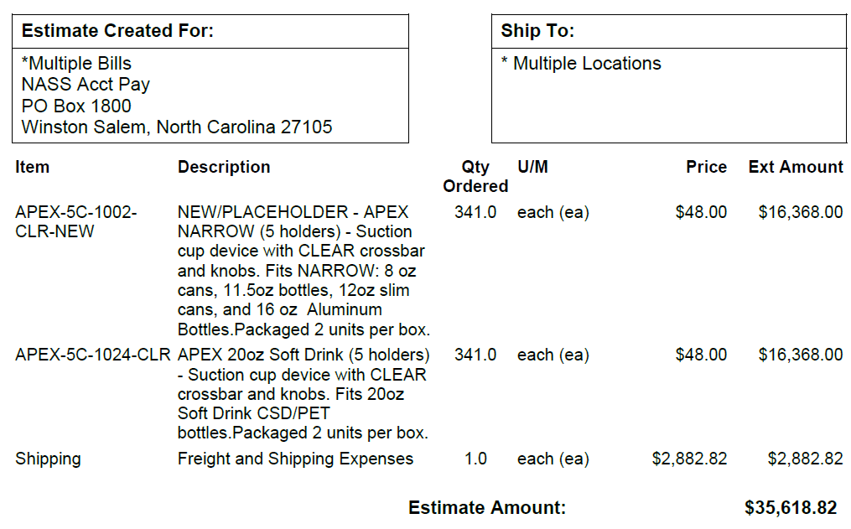
Apex Suction Cup (Mt Dew and Fast Twitch)

