Generic Sazerac Purchase Order
PURCHASE ORDER

Magnolia Promotional Products (for Sazerac Company and Gemini Spirits & Wine) |  |  |  | TAX ID 47-3018341
10101 Linn Station Road
Suite 400
Louisville, KY 40223

The following # must appear on all invoices |  |  |  | P.O. DATE | 2022-09-05

PURCHASE ORDER: | SAZ090522SABINEB ABA & CSTORE |  |  | ADDRESS CORRESPONDENCE TO:
 |  |  |  | Name | Emily Benson
 |  |  |  |  | 10101 Linn Station Road
TO: |  |  |  |  | Suite 400
iSee Store Innovations |  |  |  |  | Louisville, KY 40223
Attn: Tom Christoffel |  |  |  | E-mail | ebenson@sazerac.com
139 W Monroe Ave |  |  |  | Phone | 502.783.5603
Kirkwood, MO 63122 |  |  |  | **prefer to receive invoices via email
816-585-8576

QTY | UNIT | DESCRIPTION |  |  | UNIT PRICE (PER M) | AMOUNT
619 | EA | Dri-View item # 170144 |  |  |  | $-
 |  | DIVIBIN - CLEAR rectangular bin suction device |  |  | $15.75 | $9,749.25
 |  | Dividers (3 per unit) |  |  | included
 |  | Digital Printing Expenses |  |  | included
 |  | *DELIVER SEPT 19

4,032 | EA | Dri-View item # 170144 |  |  | $15.75 | $63,504.00
 |  | DIVIBIN - CLEAR rectangular bin suction device |  |  | included
 |  | Dividers (3 per unit) |  |  | included
 |  | Digital Printing Expenses
 |  | *DELIVER OCT 17

3,225 | EA | Dri-View item # XXX |  |  | $17.50 | $56,437.50
 |  | BIN20- CLEAR rectangular bin suction device |  |  | included
 |  | Digital Printing Expenses
 |  | *DELIVER SEPT 19

1,680 | EA | Dri-View item # XXX |  |  | $17.50 | $29,400.00
 |  | BIN20- CLEAR rectangular bin suction device |  |  | included
 |  | Digital Printing Expenses
 |  | *DELIVER OCT 17
 |  |  |  |  | SUBTOTAL | $159,090.75
 |  |  |  |  | SHIPPING | $-
 |  |  |  |  | TAX | $-
 |  |  |  |  | OTHER | $-
 |  |  |  |  | TOTAL | $159,090.75

SHIP TO:
Dri-View |  |  | Emily Benson |  |  | 2022-09-05
ATTN: Jeff Durbin |  |  | APPROVED BY |  |  | DATE
3214 E. Blue Lick Road
Shepherdsville, KY 40165

will send item #'s and artwork soon

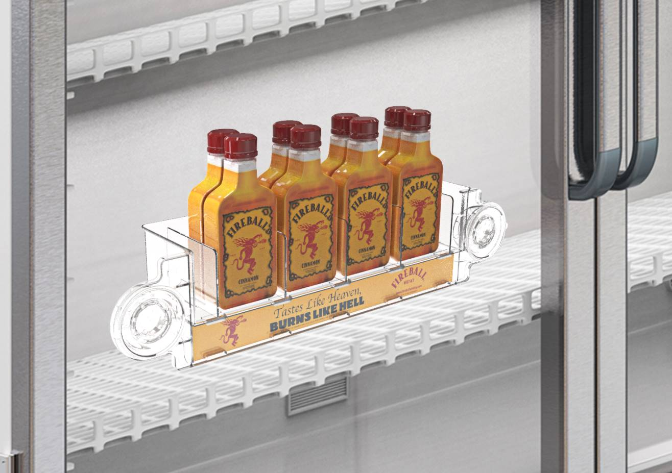

 |  |  | *THIS ART IS FPO AND WILL CHANGE

