Circle K Baya Vertical Suction
 |  |  | = Required field to be completed by MCOE

GUIDANCE EMAIL: | Circle K BAYA Vertical Suction Cup |  |  |  |  |  |  | REVISION DATE: | 2022-03-01
 | Program Name: (E.g. Wave I 2022 - TM Pepsi )

Disclaimer: | The below quantities reflect estimated quantities for planning purposes only and should not be interpreted to be committed quantities by PepsiCo or any of it affiliates. If there are any questions, please reach out to the MCOE brand owner or Thomas Wardlow from global procurement directly for further clarification.

KEY EQUIPMENT INFORMATION

Program/Project Name: | Circle K BAYA Vertical Suction Cup
Program Start Date | 2022-03-01
Material Delivery Date | 2022-03-01 | Or sooner if at all possible.
Shipment Commence Date | 2022-02-28 | Or sooner if at all possible.

SKU DETAILS
Date | Revision Update | Description | SAP No | Original Qty | New Qty | Price | Pack Out | Notes | FUNDING
2/14/22 |  | Baya Vertical Suction Cup | 2100002969 | 347 |  | $48.00 | 2 / ctn |  | 50% Division / 50% Starbucks

CARTON & EQUIPMENT LABELING

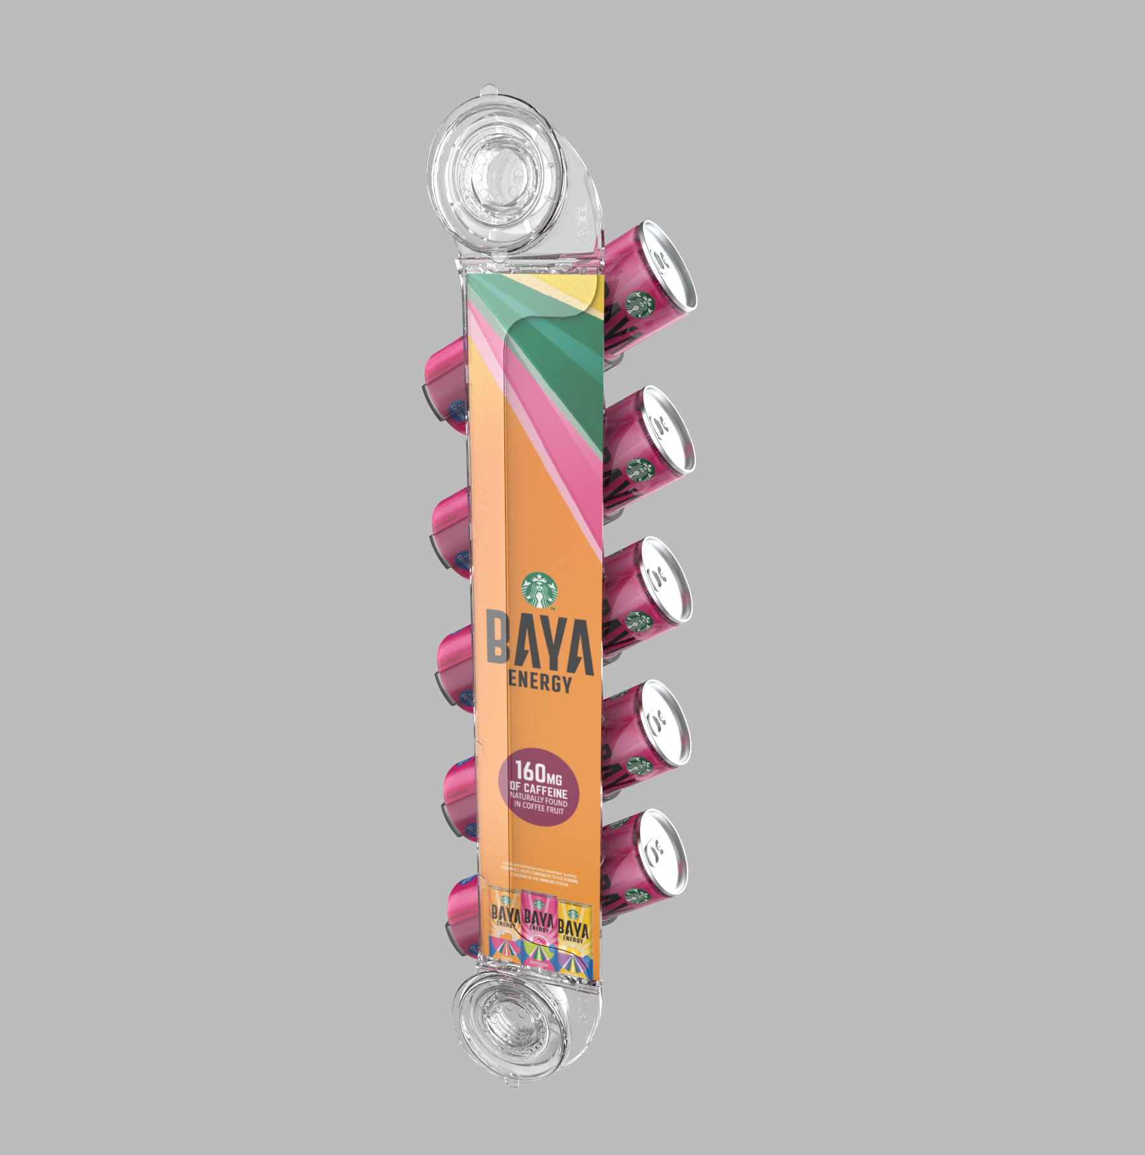
LABELING
UPC Bar Codes Required on Cartons & All Displays:
- It is required that all equipment be labeled with a UPC bar code.
-The bar code is to be placed on ALL sides of the shipping carton.
-The bar code is to also to be placed on all displays contained within the carton

CARTON LABELING
All cartons should be labeled as follows:
- DISPLAY IMAGE
- Display Name
- APS Number
- Bar Code
- Account/ Program Name | Circle K BAYA Vertical Suction Cup
(if applicable)
- Also include on the outer carton the recipients name as indicate on the Ship List.
Attention: All carton label layouts are to be sent to the MCOE for review prior to printing.

INDIVIDUAL UNIT LABELS
UPC Bar Codes should be placed on each display

BEACONS
NA

SUSTAINABLE LABELS
NA

SHIPPING DETAILS

SHIP TO
See Master Ship List worksheet in this workbook.
- Note: The ship list has its own worksheet in this workbook. If not supplied or if it is incomplete it will be updated and provided in a revised Guidance Email
- Final ship list with PO numbers will be provided on/before [date]: |  | 2022-02-22 | This date automatically populates 2 weeks less from required ship date date above.

SHIPMENT TIMING
Shipments to commence on or before [date]: |  |  | This date automatically populates from the Shipment Commence Date above.
Immediately advise MCOE of any anticipated production or shipment delays

SHIPPING DETAILS
Upon receipt of this email, please contact PBCRouting@transaver.com with:
- Estimated shipping date
- Any pending items needed to fulfill the order (PO#s, etc.)
- SKU dimensions/weight, pallet weight/dimensions/cartons-per-pallet, and unit costs

DIELINES & ARTWORK

DIE LINES (If applicable)
Please provide die lines for artwork development (if applicable)

ARTWORK (If applicable)
Please provide the Artwork delivery timelines for each piece of equipment to ensure shipment timelines are achieved.
Upon receipt of artwork please review and provide a layout (.png, .pdf, .jpg) for final brand review/approval prior to printing.

PO's & FUNDING

PO GATHERING
- Provide (1) Estimate for 50% of the costs for the Divisions.
- Provide (1) Estimate for 50% of PBNA &FBU costs for the Brand Team.
- Gather FBU POs fo the other 50% as required by your organization

PBC POs - Central Division to provide (1) PO
FBU POs – If required for your equipment billing or shipment purposes it is asked that your organization reach out the FBUs and gather POs directly. When communicating with the bottlers please indicate that you are calling to gather a PO for those items that were planned in the program and that these units are 50% Funded (Display Only). The FBU bottler will only be billed for 50% Display and all freight & tax.

FUNDING LEVEL
PBC /FBU | Funding Level | Elements Funded | Funding Contact | Program Contact
PBC | 50% Division / 50% Starbucks | 50/50 Display Only | Brian Farmer | Chrystine Vance Homer
FBU | 50% Division / 50% Starbucks | 50/50 Display Only | Brian Farmer | Chrystine Vance Homer

BILLING -

PBC BILLING
(1) Invoice for the 50% Division costs is to be sent to: Erin.mcintee@pepsico.com
Reflect on the invoices the following [program name]: |  | Circle K BAYA Vertical Suction Cup

FBU BILLING (if applicable)
FBU Bottlers are to be billed for: | 50% | of display costs plus 100% of Freight & Tax.
Reflect on the invoices the following [program name]: |  | Circle K BAYA Vertical Suction Cup (FBU)

Brand Billing: One Invoice for | 50% | of PBNA & FBU display costs should be sent to Chrystine Vance-Homer chrystine.vance-homer@pepsico.com

Budget Code Details (if applicable)
Contact Name or insert [n/a]:
Budget Code or insert [n/a]:

Key Contacts:
NAME | PHONE | EMAIL
Debra Moreira | 845-380-6068 | debra.moreira@pepsico.com

PBNA POs
CIRCLE K BAYA VERTICAL SUCTION CUP
Funding level: 50% division / 50% Starbucks (Display Only)

PBNA or FBU | Region | Market | Location | Reimbursement Pep Loc ID | Pep Loc ID | Address | City | State | Zip |  | SKU Qty | Material PO Number
PBNA | Central | Central Texas Mkt | WACO TX | 3169 | 0485 | 2000 LaSalle Ave | WACO | TX | 76706 | 3443 | 9 | 4500004581
PBNA | Central | Central Texas Mkt | AUSTIN TX | 3169 | 0487 | 9010 Wall Street | AUSTIN | TX | 78754 | 4536 | 35 | 4500004582
PBNA | Central | Central Texas Mkt | BRYAN TX | 3169 | 0488 | 1801 Shiloh Ave | BRYAN | TX | 77803 | 2018 | 4 | 4500004583
PBNA | Central | Central Texas Mkt | LUFKIN TX | 3169 | 0502 | 3500 N. John Redditt | LUFKIN | TX | 75904 | 1639 | 2 | 4500004584
PBNA | Central | North Texas Mkt | MESQUITE TX | 3169 | 0494 | 4532 Highway 67 | MESQUITE | TX | 75150 | 2028 | 36 | 4500004585
PBNA | Central | North Texas Mkt | SHERMAN TX | 3169 | 0495 | 4817 Marshall | SHERMAN | TX | 75090 | 2075 | 1 | 4500004586
PBNA | Central | North Texas Mkt | FORT WORTH TX | 3169 | 0496 | 5201 Blue Mound Rd. | FORT WORTH | TX | 76106 | 1939 | 7 | 4500004587
PBNA | Central | North Texas Mkt | TYLER TX | 3169 | 0501 | 12211 State Highway 155 | TYLER | TX | 75708 | 2483 | 1 | 4500004588
PBNA | Central | Oklahoma Mkt | ADA OK | 3169 | 0418 | 3801 N Broadway Ave | ADA | OK | 74820 | 0000 | 1 | 4500004589
PBNA | Central | South Texas Mkt | BEAUMONT TX | 3169 | 0492 | 2750 W Cardinal Drive | BEAUMONT | TX | 77705 | 4538 | 4 | 4500004590
PBNA | Central | South Texas Mkt | HOUSTON TX | 3169 | 0497 | 9300 La Porte Freeway | HOUSTON | TX | 77017 | 1930 | 65 | 4500004610
PBNA | Central | South Texas Mkt | CONROE TX | 3169 | 0500 | 222 N Loop 336 E | CONROE | TX | 77301 | 1429 | 28 | 4500004591
PBNA | Central | South Texas Mkt | HIDALGO TX | 3169 | 0505 | 1601 N International Blvd | HIDALGO | TX | 78557 | 2543 | 13 | 4500004592
PBNA | Central | South Texas Mkt | SAN ANTONIO TX | 3169 | 0506 | 6100 N.E. Loop 410 | SAN ANTONIO | TX | 78218 | 5424 | 103 | 4500004611
PBNA | Central | South Texas Mkt | HALLETTSVILLE TX | 3169 | 2605 | 1415 Hwy 90A East | HALLETTSVILLE | TX | 77964 | 5730 | 4 | 4500004593
PBNA | Central | South Texas Mkt | WHARTON TX | 3169 | 2607 | 505 Rugeley | WHARTON | TX | 77488 | 3733 | 5 | 4500004594
PBNA | Central | South Texas Mkt | LAREDO TX | 3169 | 2621 | 4700 N. Santa Maria | LAREDO | TX | 78041 | 5616 | 4 | 4500004595
PBNA | South | Louisiana Mkt | TEXARKANA TX | 0880 | 2872 | 3005 Magnolia | TEXARKANA | TX | 75503 | 3720 | 1
...

FBU Quote
