Suction Cups
 |  |  | = Required field to be completed by MCOE

GUIDANCE EMAIL: | Dew 20oz PET Apex Wide Suction Cups |  |  |  |  |  |  | REVISION DATE: | 2022-02-16

Disclaimer: | The below quantities reflect estimated quantities for planning purposes only and should not be interpreted to be committed quantities by PepsiCo or any of it affiliates. If there are any questions, please reach out to the MCOE brand owner or Thomas Wardlow from global procurement directly for further clarification.

KEY EQUIPMENT INFORMATION
 | Dew 20oz PET Apex Wide Suction Cups
Program/Project Name:
Program Start Date | 2022-03-30 | Or sooner if at all possible.
Material Delivery Date | 2022-03-23 | Or sooner if at all possible.
Shipment Commence Date | 2022-03-16

SKU DETAILS
Date | Revision Update | Description | SAP | Original Qty | New Qty | Price | Pack Out | Notes | FUNDING
2/16/22 |  | Dew 20oz PET Apex Wide Suction Cups | 2100000913 | 544 |  | $48.00 | 2/ctn |  | Central Division

CARTON & EQUIPMENT LABELING

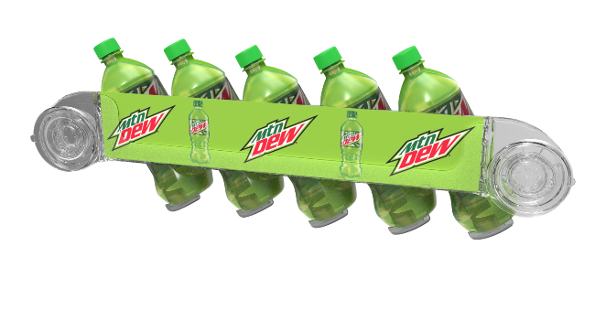
LABELING
UPC Bar Codes Required on Cartons & All Displays:
- It is required that all equipment be labeled with a UPC bar code.
-The bar code is to be placed on ALL sides of the shipping carton.
-The bar code is to also to be placed on all displays contained within the carton

CARTON LABELING
All cartons should be labeled as follows:
- DISPLAY IMAGE
- Display Name
- APS Number
- Bar Code
- Account/ Program Name | Dew 20oz PET Apex Wide Suction Cups

(if applicable)
- Also include on the outer carton the recipients name as indicate on the Ship List.
Attention: All carton label layouts are to be sent to the MCOE for review prior to printing.

INDIVIDUAL UNIT LABELS
UPC Bar Codes should be placed on each display

PLAN-O-GRAMS on DISPLAY

n/a

BEACONS

n/a

SHIPPING DETAILS

SHIP TO
See Master Ship List worksheet in this workbook.
- Note: The ship list has its own worksheet in this workbook. If not supplied or if it is incomplete it will be updated and provided in a revised Guidance Email
- Final ship list with PO numbers will be provided on/before [date]: |  | 2022-03-02 | This date automatically populates 2 weeks less from required ship date date above.

SHIPMENT TIMING
Shipments to commence on or before [date]: |  | 2022-03-16
Immediately advise MCOE of any anticipated production or shipment delays

SHIPPING DETAILS
Upon receipt of this email, please contact PBCRouting@transaver.com with:
- Estimated shipping date
- Any pending items needed to fulfill the order (PO#s, etc.)
- SKU dimensions/weight, pallet weight/dimensions/cartons-per-pallet, and unit costs

DIELINES & ARTWORK

DIE LINES (If applicable)
Please provide die lines for artwork development (if applicable)

ARTWORK (If applicable)
Please provide the Artwork delivery timelines for each piece of equipment to ensure shipment timelines are achieved.
Upon receipt of artwork please review and provide a layout (.png, .pdf, .jpg) for final brand review/approval prior to printing.

PO's & FUNDING

PO GATHERING
PBC POs - The Merchandising Center of Excellence team will gather the PO numbers from the PBC locations and provide to you in the final master ship.
FBU POs – If required for your equipment billing or shipment purposes it is asked that your organization reach out the FBUs and gather POs directly. When communicating with the bottlers please indicate that you are calling to gather a PO for those items that were planned in the program and that these units are 100% Funded (Display Only).

FUNDING LEVEL
PBC /FBU | Funding Level | Elements Funded | Funding Contact | Program Contact
PBC | 100% | Division Funded | Dawn.Stahl@pepsico.com | Dawn Stahl
FBU

BILLING

PBC BILLING
PBC locations are to be billed 100% (display, freight & tax).
Reflect on the invoices the following [program name]: |  | Dew 20oz PET Apex Wide Suction Cups
Funding reimbursements will be coordinated internally by the MCOE here at PBC.

FBU BILLING
FBU Bottlers are to be billed for: | 0% | of display costs. They will only be responsible for freight costs and tax.
FBU Billing: One Invoice for | N/A | of FBU display costs only should be sent to CONTACT NAME (EMAIL@pepsico.com)
Billing Contact: | Dawn.Stahl@pepsico.com
Reflect on the invoices the following [program name]:

FBU Equipment Estimates (if applicable)
Provide an estimate for the team’s FBU billing requirements to the MCOE contact.
The MCOE will provide the estimates to the brand team for PO issuance.

Budget Code Details (if applicable)
Contact Name or insert [n/a]:
Budget Code or insert [n/a]:

Key Contacts:
NAME | PHONE | EMAIL
Patty Sama | 914-767-7303 | Patty.Sama@pepsico.com

Quotation
