Generic Sazerac Purchase Order
PURCHASE ORDER

Magnolia Promotional Products (for Sazerac Company and Gemini Spirits & Wine) |  |  |  | TAX ID 47-3018341
10101 Linn Station Road
Suite 400
Louisville, KY 40223

The following # must appear on all invoices |  |  |  | P.O. DATE | 2021-01-21

PURCHASE ORDER: |  |  |  | ADDRESS CORRESPONDENCE TO:
 |  |  |  | Name | Simon Gray
 |  |  |  |  | 10101 Linn Station Road
TO: |  |  |  |  | Suite 400
iSee Store Innovations |  |  |  |  | Louisville, KY 40223
Attn: Tom Christoffel |  |  |  | E-mail | sgray@sazerac.com
139 W Monroe Ave |  |  |  | Phone | 502.403.7534
Kirkwood, MO 63122 |  |  |  | **prefer to receive invoices via email
816-585-8576

QTY | UNIT | DESCRIPTION |  |  | UNIT PRICE (PER M) | AMOUNT
 |  | Dri-View item # 170178 |  |  |  | $-
4,700 | EA | BIN 20 - CLEAR rectangular bin suction device |  |  | $12.80 | $60,160.00
 |  | Handling fee for containerizing |  |  | $- | $-
 |  | Digital Printing Expenses |  |  | $- | $-
 |  | * art files were provided |  |  | SUBTOTAL | $60,160.00
 |  |  |  |  | SHIPPING | $-
 |  |  |  |  | TAX | $-
 |  |  |  |  | OTHER | $-
 |  |  |  |  | TOTAL | $60,160.00

SHIP TO:
Dri-View |  |  | Simon Gray |  |  | 2021-01-21
ATTN: Jeff Durbin |  |  | APPROVED BY |  |  | DATE
3214 E. Blue Lick Road
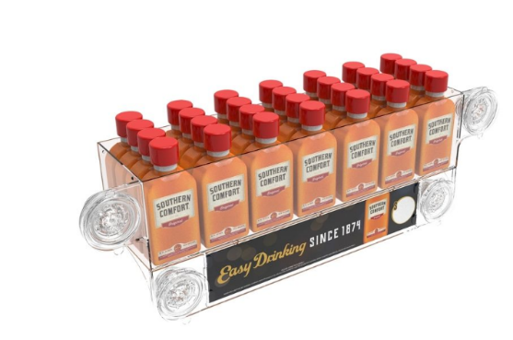
Shepherdsville, KY 40165

