Die Line Bev Bar
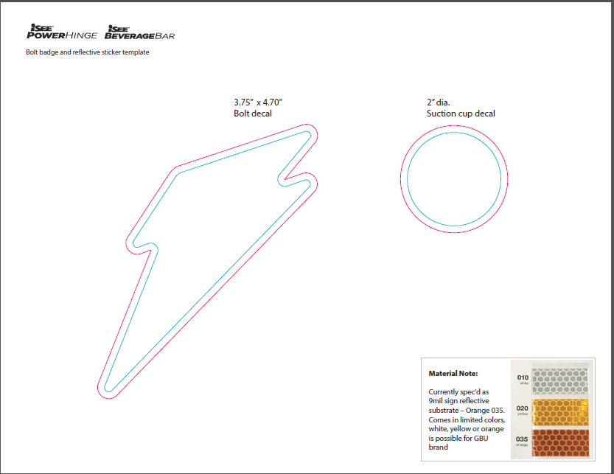

Die Line Hinge
